Sheet1
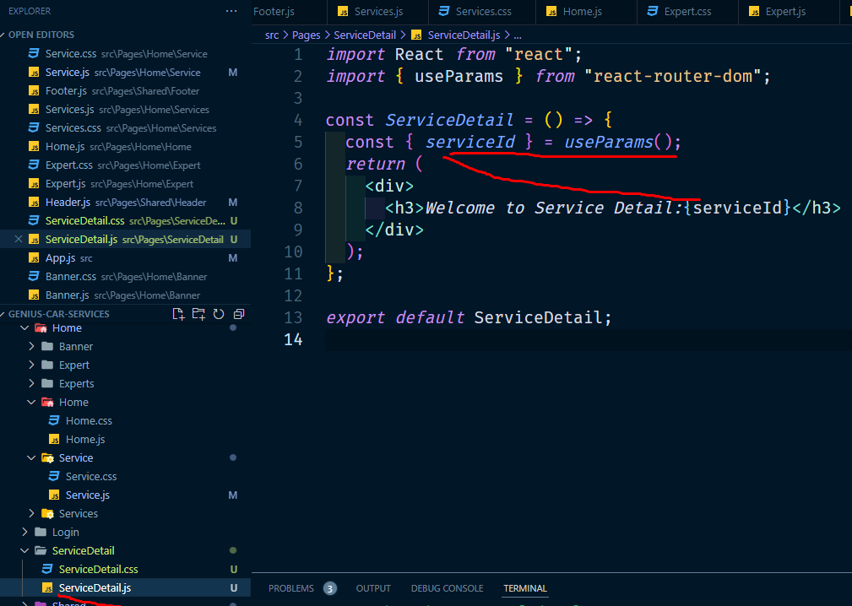
Dynamic Routes parameter set kora mane useParams hook
useParams()

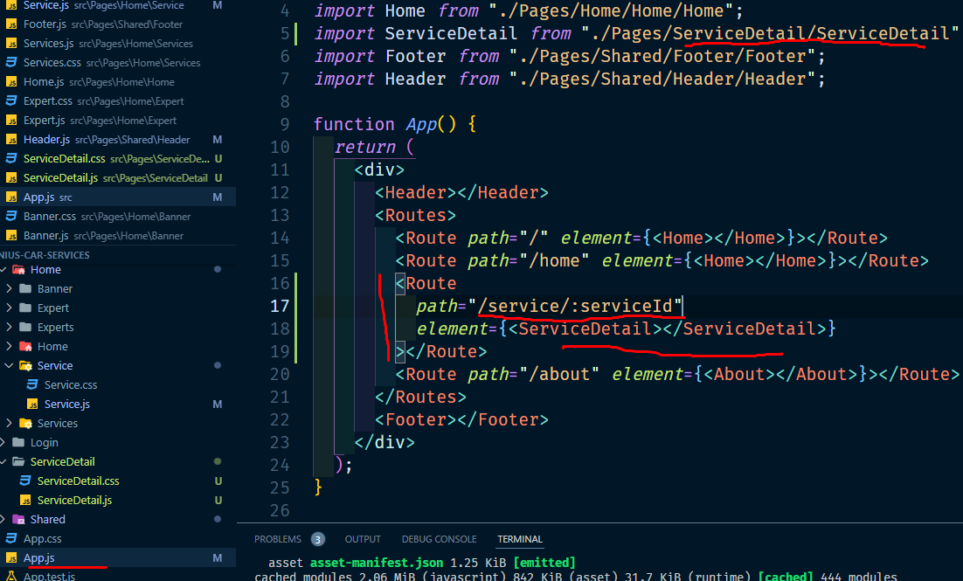

button navigate set kora jekhane jabe
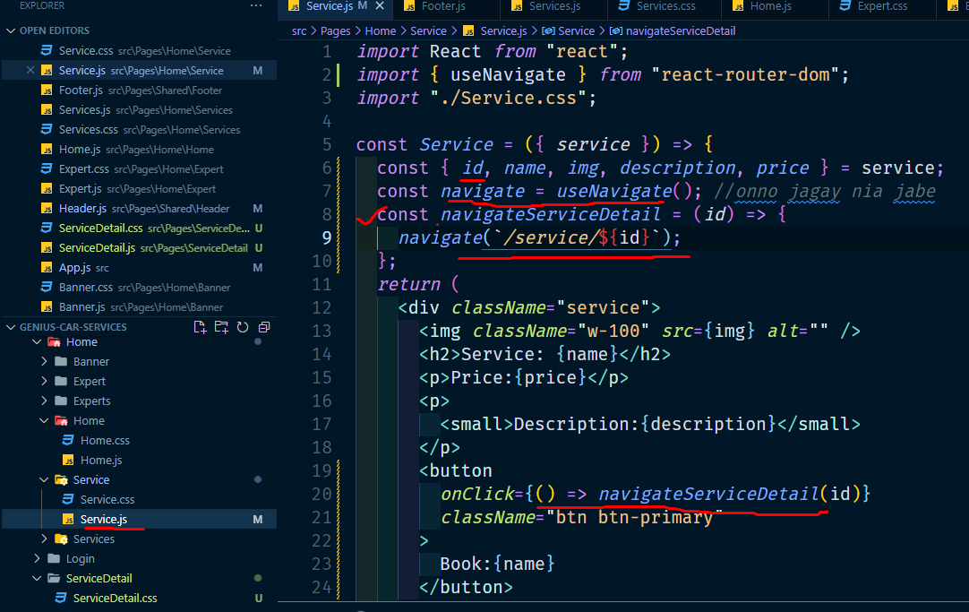

 | je page dekhabe

